Executive Summary
UP Vidhan Sabha Election 2017 - 01-Behat Constituency
Constituency Election Results and Voting Statistics (Sample of 240 Polling Booths)

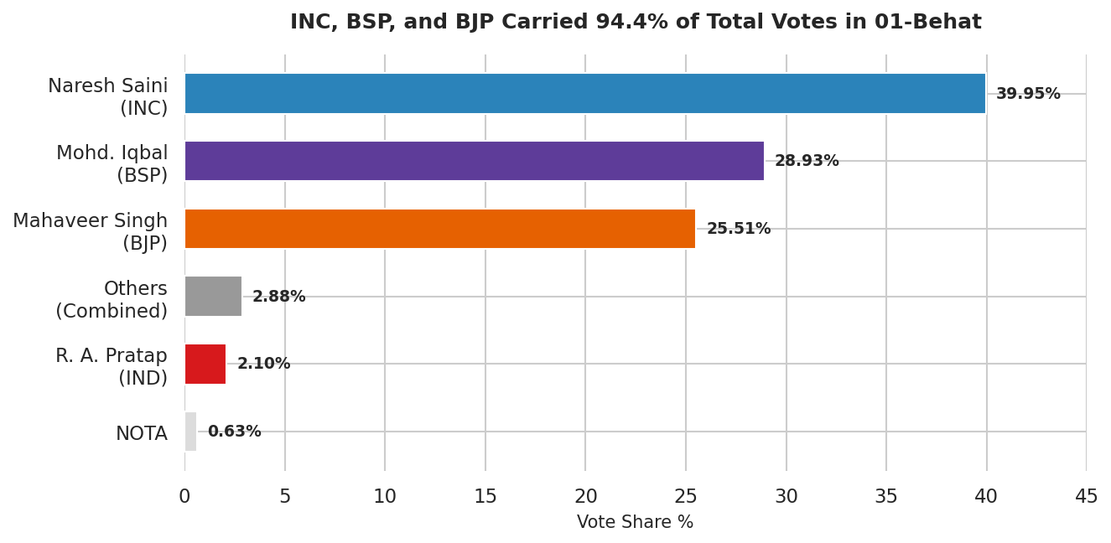
 | Total Electors | Total Turnout | Turnout % | Male Turnout | Female Turnout | EPIC Voters Identified
 | 236,710 | 180,068 | 76.1% | 95,474 | 84,594 | 15,794

CANDIDATE PERFORMANCE & VOTE SHARE
S. No. | Candidate Name | Party | Votes Secured | Vote Share % | Position | Margin / Note
3 | NARESH SAINI | INC | 71,946 |  | Winner
2 | MOHD. IQBAL | BSP | 52,094 |  | Runner-Up | Runner-Up
4 | MAHAVEER SINGH | BJP | 45,939 |  | #3
8 | RANA ADITYA PRATAP | IND | 3,773 |  | #4
14 | NOTA | None | 1,135 |  | #5
5 | KAMRAN ALI | IND/Minor | 860 |  | #6
13 | HARDHYAN | IND | 825 |  | #7
1 | ARUN | RLD | 688 |  | #8
12 | GOPAL SINGH | IND | 678 |  | #9
11 | KRISHNA KUMAR | IND | 597 |  | #10
10 | KALYAN SINGH | IND | 504 |  | #11
6 | LOKESH VERMA | BTSP | 451 |  | #12
7 | SAKEEM KHAN | BMP | 332 |  | #13
9 | KARM SINGH | IND | 246 |  | #14
 | Total Polled Votes

Booth Dynamics Dashboard
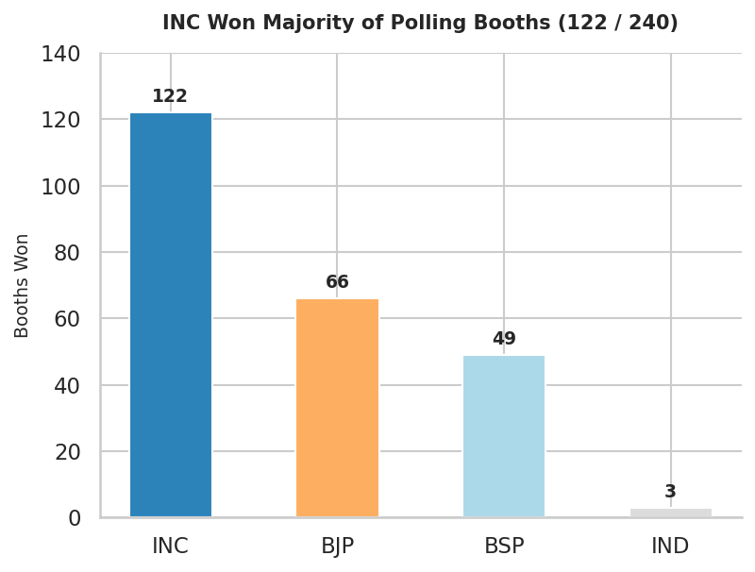
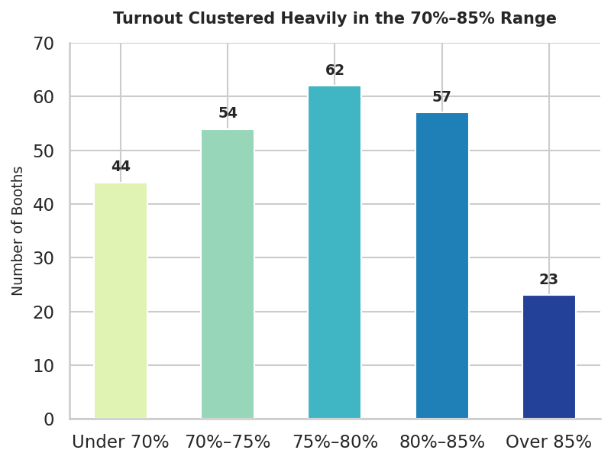
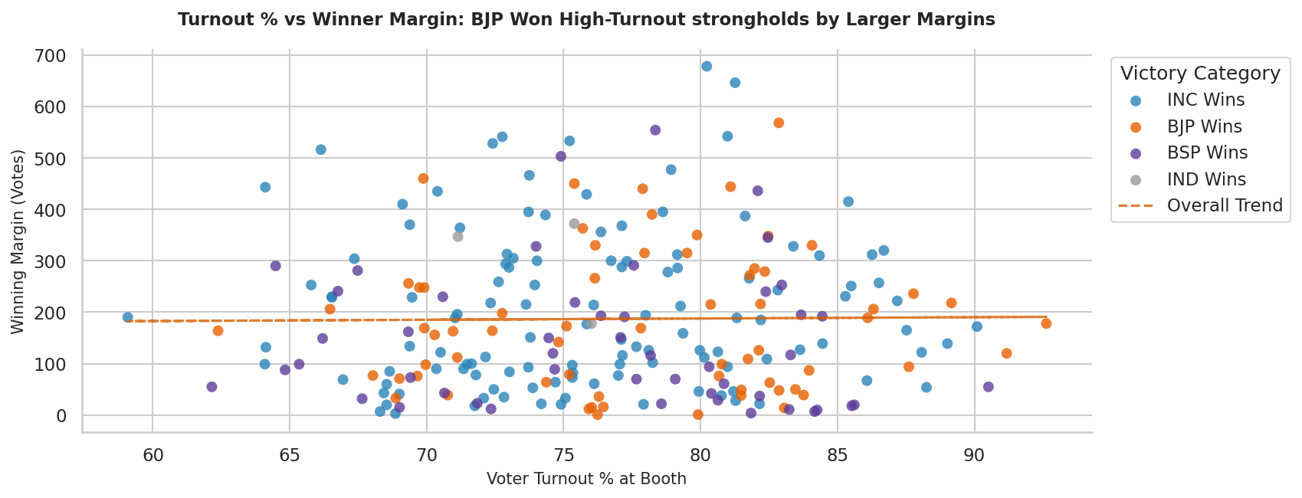
UP Vidhan Sabha Election 2017 - 01-Behat Booth Dynamics Dashboard
Granular Booth-level Voter Turnout, Party Victories, and Victory Margins (240 Polling Stations)

 | AVERAGE BOOTH TURNOUT | HIGHEST TURNOUT BOOTH | LOWEST TURNOUT BOOTH | LARGEST BOOTH MARGIN | CLOSEST BOOTH MARGIN
 | 76.56% | 92.63% | 59.08% | 678 votes | 1 vote
 | Centered tightly around 76.6% | Booth 196 (Mandora) | Booth 200 (Khirka Bhtkawa) | Booth 82 (Marwa) - won by INC | Booths 107 (Ruhalka) and 229 (Malayan) - BJP

